file
Product Info 产品信息

product name (Chinese) | product name (English) | SKU | Image | Amazon link | Quantity
睡裙黑色 |  | 210-DK GREY MELANGE-XXL |  |  | 1
睡裙黑色 |  | 2021160-Black-XL |  |  | 1
睡裙蓝色 |  | 210-NAVY BLUE-S |  |  | 14
睡裙蓝色 |  | 164-Denim Blue-S |  |  | 17
睡裙蓝色 |  | 164-Denim Blue-M |  |  | 1
睡裙蓝色 |  | 164-Yellow-S | 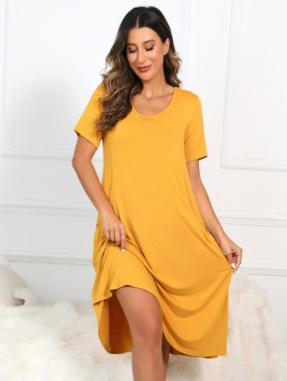 |  | 11
睡裙蓝色 |  | 164-Black-S |  |  | 16
睡裙花色 |  | 165-Navy-S |  |  | 18
睡裙蓝色 |  | 165-Navy-M |  |  | 1
睡裙花色 |  | 165-Red-S | 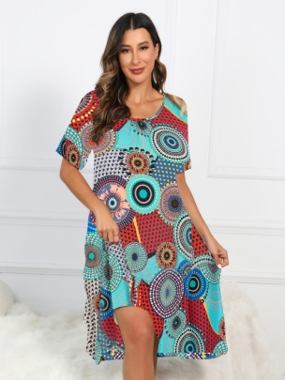 |  | 8
睡裙花色 |  | 165-Red-M |  |  | 1
睡裙花色 |  | 165-Aqua-S |  |  | 7
睡裙 |  | 2021210-DK GREY MELANGE-M |  |  | 20
睡裙 |  | 2021210-DK GREY MELANGE-L |  |  | 24
睡裙 |  | 2021210-SOLID BLACK-S |  |  | 7
睡裙 |  | 2021210-SOLID BLACK-L | 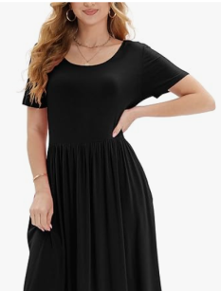 |  | 36
睡裙 |  | 2021210-SOLID BLACK-XL |  |  | 13
睡裙 |  | 2021210-SOLID YELLOW-L |  |  | 14
睡裙 |  | 2021210-SOLID YELLOW-XL |  |  | 19
睡裙 |  | 2021210-DK GERRN-S |  |  | 12
睡裙 |  | 2021210-DK GERRN-M |  |  | 1
睡裙 |  | 2021210-WINE RED-L |  |  | 6
睡裙 |  | 2021210-BLUE-L |  |  | 20
睡裙 |  | 2021210-BLUE-XL |  |  | 14
睡裙 |  | 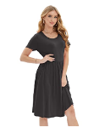 USTHD-01-BLK |  |  | 25
可穿毯 |  | HD-Navy-S |  |  | 48
可穿毯 |  | HD-Navy-M |  |  | 7
睡裙 |  | 210-Blue-S |  |  | 18
睡裙 |  | 210-Blue-L |  |  | 16
睡裙 |  | 210-Blue-XL |  |  | 50
睡裙 |  | 210-Navy Blue-L |  |  | 15
睡裙 |  | 210-Navy Blue-XL |  |  | 16
睡裙 |  | 210-Black-S |  |  | 15
睡裙 |  | 210-Black-M |  |  | 6
睡裙 |  | 210-Black-XL |  |  | 2
睡裙 |  | 210-White-L |  |  | 18
睡裙 |  | 210-White-XL |  |  | 3
睡裙 |  | 210-White-XXL |  |  | 1
睡裙 |  | 210-Pink-L |  |  | 28
睡裙 |  | 210-Pink-XL |  |  | 31
睡裙 |  | 210-Dark Grey-M |  |  | 8
睡裙 |  | 210-Dark Grey-L |  |  | 13
睡裙 |  | 210-Dark Grey-XL |  |  | 5
睡裙 |  | 225-NAVY YELLOW-S |  |  | 21
睡裙 |  | 225-NAVY YELLOW-M |  |  | 17
睡裙 |  | 225-NAVY YELLOW-L |  |  | 21
睡裙 |  | 225-NAVY YELLOW-XL | 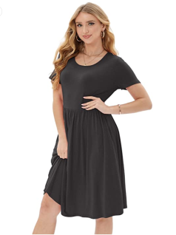 |  | 18
睡裙 |  | 224-WHITE YELLOW-S |  |  | 26
睡裙 |  | 224-WHITE YELLOW-M | 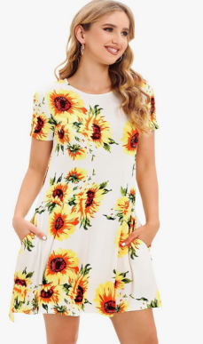 |  | 22
睡裙 |  | 224-WHITE YELLOW-L |  |  | 16
睡裙 |  | 224-WHITE YELLOW-XL |  |  | 22
睡裙 |  | SFC190-White-XXL |  |  | 1
睡裙 |  | SFC190-Stone-S |  |  | 2
睡裙 |  | SFC190-Stone-M |  |  | 1
波西米亚风大长裙 |  | SFC190-Stone-L |  |  | 1
波西米亚风大长裙 |  | SFC190-Stone-XL |  |  | 1
波西米亚风大长裙 |  | SFC190-Stone-XXL |  |  | 1
波西米亚风大长裙 |  | SFC190-Green-S |  |  | 1
波西米亚风大长裙 |  | SFC190-Green-M |  |  | 1
波西米亚风大长裙 |  | SFC190-Green-L |  |  | 2
波西米亚风大长裙 |  | SFC190-Black-S |  |  | 2
波西米亚风大长裙 |  | SFC190-Black-M |  |  | 1
波西米亚风大长裙 |  | SFC190-Black-L |  |  | 3
波西米亚风大长裙 |  | SFC190-Black-XL |  |  | 1
波西米亚风大长裙 |  | SFC190-GREEN PINK-M |  |  | 1
波西米亚风大长裙 |  | SFC190-MULTI-M MNWDR190A-1MU-M |  |  | 4
波西米亚风大长裙 |  | SFC190-MULTI-L MNWDR190A-1MU-L |  |  | 5
波西米亚风大长裙 |  | SFC190-MULTI-XL MNWDR190A-1MU-XL |  |  | 2
波西米亚风大长裙 |  | SFC190-MULTI-XXL MNWDR190A-1MU-XXL |  |  | 2
波西米亚风大长裙 |  | SFC190-YELLOW-XXL |  |  | 2
波西米亚风大长裙 |  | SFC190-YELLOW PINK-M |  |  | 1
波西米亚风大长裙 |  | SFC190-YELLOW PINK-L |  |  | 1
波西米亚风大长裙 |  | SFC190-BLUE LEAF-L MNWDR190A-1BL-L |  |  | 1
波西米亚风大长裙 |  | SFC190-BLUE LEAF-XL MNWDR190A-1BL-XL | 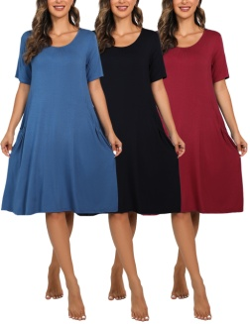 |  | 3
波西米亚风大长裙 |  | SFC190-INK RED-M |  |  | 4
波西米亚风大长裙 |  | SFC190-INK RED-L |  |  | 2
波西米亚风大长裙 |  | SFC190-INK RED-XL |  |  | 1
波西米亚风大长裙 |  | MNBDR190-M/GW |  |  | 2
波西米亚风大长裙 |  | MNBDR190-XL/GW |  |  | 2
波西米亚风大长裙 |  | MNWDR190A-Red Blue-S |  |  | 1
波西米亚风大长裙 |  | MNWDR190A-Red Blue-M |  |  | 2
波西米亚风大长裙 |  | MNWDR190A-Red Blue-L |  |  | 2
波西米亚风大长裙 |  | MNWDR190A-Red Blue-XL |  |  | 2
波西米亚风大长裙 |  | MNWDR190A-Green Yellow-M |  |  | 3
波西米亚风大长裙 |  | MNWDR190A-Green Yellow-L |  |  | 1
波西米亚风大长裙 |  | MNWDR190A-Green Yellow-XL |  |  | 3
电视毯 |  | MNBTB-01-GR |  |  | 7
睡裙 |  | 164-BLACKDENIMBLUESTONE-S 164-BLACKDENIMBLUESTONE-S |  |  | 6
睡裙 |  | 164-BLACKDENIMBLUESTONE-M 164-BLACKDENIMBLUESTONE-S |  |  | 5
睡裙 |  | 164-BLACKDENIMBLUERED-M |  |  | 1
睡裙 |  | 164-NAVYBLUEREDBLUE-L |  |  | 1
睡裙 |  | 211-NAVY PINK-S |  |  | 1
睡裙 |  | 211-NAVY PINK-L |  |  | 3
睡裙 |  | MNBSD-01-3-S |  |  | 24
吊带 |  | MNBSD-01-3-M |  |  | 42
吊带 |  | MNBSD-01-3-L |  |  | 36
吊带 |  | MNBSD-01-3-XL |  |  | 22
吊带 |  | MNBSD-01-3-XXL |  |  | 6
吊带 |  | MNBSD-01-1-S |  |  | 2
吊带 |  | MNBSD-01-1-XL |  |  | 1
吊带 |  | MNBSD-01-2-S |  |  | 6
吊带 |  | MNBSD-02-1-S |  |  | 7
吊带 |  | MNBSD-02-1-M |  |  | 1
吊带 |  | MNBSD-02-1-L |  |  | 7
吊带 |  | MNBSD-02-1-XL |  |  | 8
吊带 |  | MNBSD-02-2-S |  |  | 4
吊带 |  | MNBSD-02-2-XL |  |  | 5
吊带 |  | MNBSD-02-2-XXL |  |  | 3
吊带 |  | MNBSD-03-1-S |  |  | 3
吊带 |  | MNBSD-03-1-M |  |  | 3
吊带 |  | MNBSD-03-1-L |  |  | 3
吊带 |  | MNBSD-03-1-XL |  |  | 5
吊带 |  | MNBSD-03-1-XXL |  |  | 3
吊带 |  | MNBSD-03-2-S |  |  | 9
吊带 |  | MNBSD-03-2-M |  |  | 2
吊带 |  | MNBSD-03-2-L |  |  | 5
吊带 |  | MNBSD-03-2-XL |  |  | 7
吊带 |  | MNBSD-03-2-XXL |  |  | 7
吊带 |  | MNBKDR-001-S |  |  | 6
吊带 |  | MNBKDR-001-M |  |  | 53
吊带 |  | MNBKDR-001-L |  |  | 41
吊带 |  | MNBKDR-001-XL |  |  | 42
吊带 |  | MNBKDR-001-XXL |  |  | 14
吊带 |  | MNFMLDR02W-S |  |  | 8
吊带 |  | MNFMLDR02W-M |  |  | 26
吊带 |  | MNFMLDR02W-L |  |  | 25
吊带 |  | MNFMLDR02W-XL |  |  | 26
吊带 |  | MNFMLDR02W-XXL |  |  | 11
吊带 |  | MNFMLDR02BK-S |  |  | 13
吊带 |  | MNFMLDR02BK-M |  |  | 26
礼服 |  | MNFMLDR02BK-L |  |  | 27
礼服 |  | MNFMLDR02BK-XL |  |  | 25
礼服 |  | MNFMLDR02BK-XXL |  |  | 15
礼服 |  | MNTPS01-S |  |  | 12
礼服 |  | MNTPS01-M |  |  | 27
礼服 |  | MNTPS01-L |  |  | 27
礼服 |  | MNTPS01-XL |  |  | 28
礼服 |  | MNTPS01-XXL |  |  | 14
礼服 |  | MNCLBDR-001-S |  |  | 6
礼服 |  | MNCLBDR-001-M |  |  | 10
礼服 |  | MNCLBDR-001-L |  |  | 10
礼服 |  | MNCLBDR-001-XL |  |  | 10
礼服 |  | MNBDYSUT-003-XS |  |  | 16
礼服 |  | MNBDYSUT-003-S |  |  | 11
连体衣 |  | MNBDYSUT-003-M | 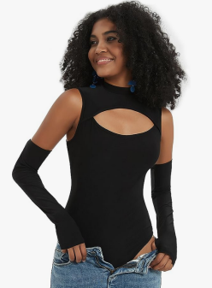 |  | 7
连体衣 |  | MNBDYSUT-003-L |  |  | 17
连体衣 |  | MNBDYSUT-003-XL |  |  | 20
连体衣 |  | MNBDYSUT-003-XXL |  |  | 19
可穿毯 |  | MNBHD-01-RA | 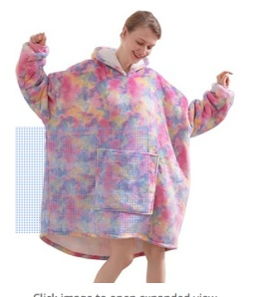 |  | 176
睡衣 |  | 23ST-Black-S |  |  | 10
睡衣 |  | 23ST-Black-M |  |  | 10
睡衣 |  | 23ST-Black-L |  |  | 8
睡衣 |  | 23ST-Black-XL |  |  | 10
睡衣 |  | 23ST-Black-XXL |  |  | 10
睡衣 |  | 23ST-Blue-S |  |  | 10
睡衣 |  | 23ST-Blue-M |  |  | 10
睡衣 |  | 23ST-Blue-L |  |  | 10
睡衣 |  | 23ST-Blue-XL |  |  | 10
睡衣 |  | 23ST-Blue-XXL |  |  | 10
睡衣 |  | 23ST-WineRed-S |  |  | 10
睡衣 |  | 23ST-WineRed-M |  |  | 10
睡衣 |  | 23ST-WineRed-L |  |  | 10
睡衣 |  | 23ST-WineRed-XL |  |  | 10
睡衣 |  | 23ST-WineRed-XXL |  |  | 10
睡衣 |  | 23ST-Pink-S |  |  | 10
睡衣 |  | 23ST-Pink-M |  |  | 10
睡衣 |  | 23ST-Pink-L |  |  | 10
睡衣 |  | 23ST-Pink-XL |  |  | 10
睡衣 |  | 23ST-Pink-XXL |  |  | 10
睡衣 |  | 23ST-White-S |  |  | 10
睡衣 |  | 23ST-White-M |  |  | 10
睡衣 |  | 23ST-White-L |  |  | 10
睡衣 |  | 23ST-White-XL |  |  | 10
睡衣 |  | 23ST-White-XXL |  |  | 9

